Sheet1
Web Crawler
component roles

Detailed Component Design
why crawler?
Capacity Estimation and Constraints
how to crawl?
High level design (algorithm)
fault tolerance

goals
usage
url frontier
Breath First
path-ascending crawling
http fetcher
extractor
duplicate eliminator
data store
url frontier
document dedupe test
url filters
domain name resolution
(DNS Resolver)
url dedupe test
checkpointing
scalability
extensionibility
1- pick a url from list of Urls (to crawl)
2- find IP from url host
3- establish a connection to ip and download its content
4- parse the document to find any new url
5- add new urls to list of unvisited urls
6- store or index remain content
7- go back to level 1
fetcher module
document input stream
extractor
consistent hashing

there could be update (like adding newer doc types) for system in future
- to fetch website information
- store website information in db
- to find abusive links
- to check website data changes
- to maintain mirror sites for popular sites
- to search for copyright infringments
store the list of url and prioritize them to crawl
to retrieve a webpage from server
extract links and files from content
remove duplicate links or content from crawled content
place to store the final proper data, metaData and files
extract fit document and any urls which can be add to frontier list
data structure contains all the urls remain to be downloaded
responsible for download the document corresponding to given url using a protocol like HHTP
to avoid document downloaded multiple times , we cache it in DIS
difficulties of system
a test which remove any duplicate content mirror sites or etc
used to blacklist websites to igonre by crawler
to avoid repeated request to get DNS we store them in our local DNS
(cache for DNS)
a test which remove any duplicate url from test
(also we can cache popular urls which needed later)
store the last point of crawling when process stop or break (because of long time of crawling, server error etc)

data partitioning

large count of webpages
page content changes during time

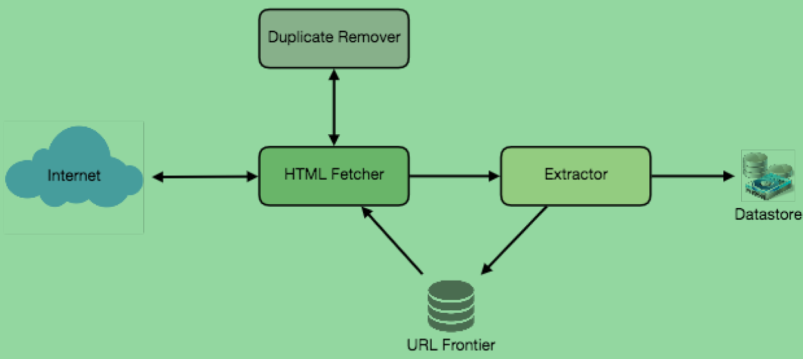
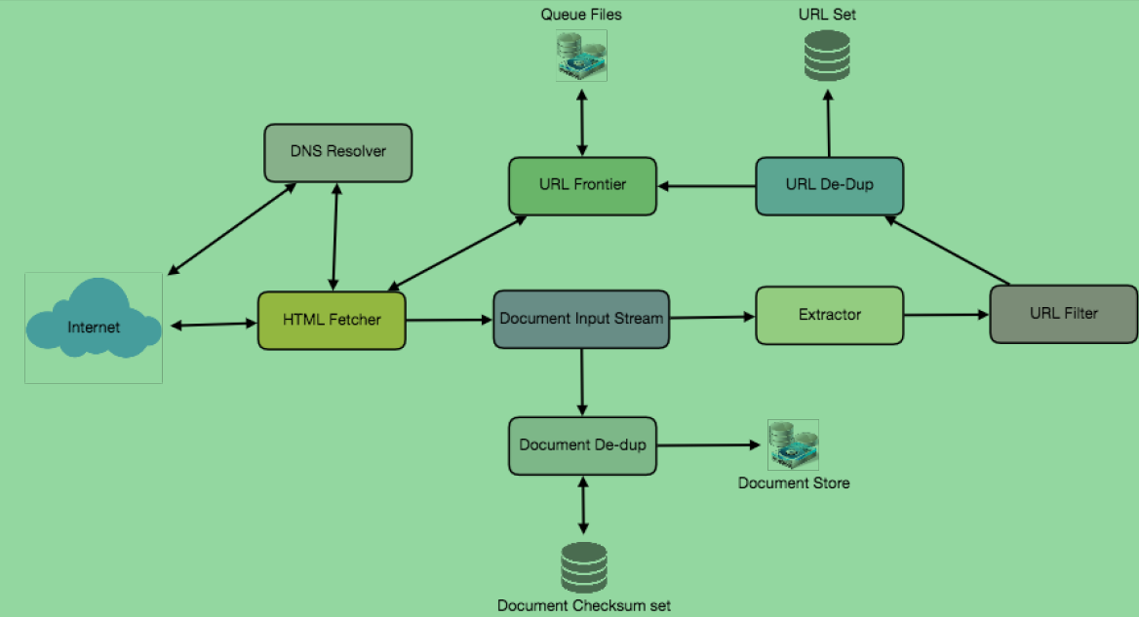
urls to visit
url checksum to dedupe
document checksums to dedupe

crawler traps

we can partition our data based on url hosts for above three kind of data we use in our system

symbolic link within a file system can create a cycle
anti-spam traps which designed to catch crawlers

